Sheet1
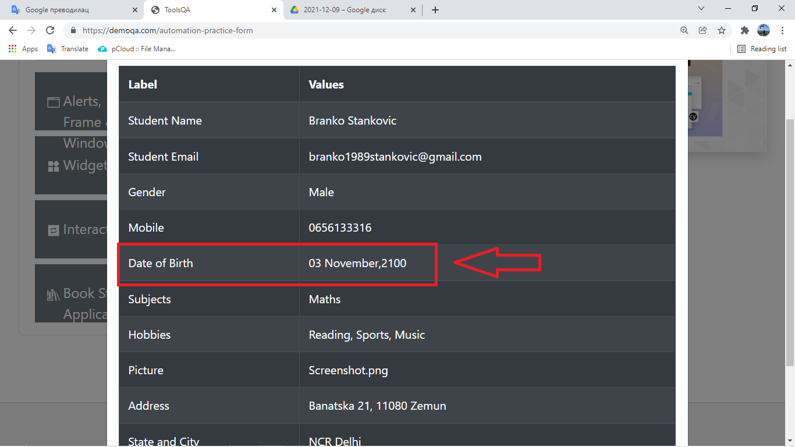
Summary

User can enter invalad Date Of Birth

Description

When the user goes to https://demoqa.com/automation-practice-form and enter invalid Date Of Birtx example: 03 Nov 2100, input field allows the user to enter an invalid Date Of Birth by displaying a green check mark and framing that input field with green border. Also when the user clicks the Submit button with all other valid entries a Student with that year of birth is created.

Steps to reproduce

1. Open Google Chrome browser 2. Go to URL: https://demoqa.com/automation-practice-form 4. Enter valid First Name example: Branko 5. Enter valid Last Name example: Stankovic 6. Enter valid Email example: branko1989stankovic@gmail.com 6. Select valid Gender example: Male 7. Enter valid Mobile example: 0656133316 8. Enter invalid Date Of Birth example: 03 Nov 2100 9. Enter valid Subject example: Math 9. Select Hobbies example: Sports, Readnig, Music 9. Upload picture example: Screenshot.png 9. Enter valid current address example: Banatska 21, 11080 Zemun 9. Select State example: NCR 9. Select City example: Delhi 10. Click on "Submit" button | Za ovaj slucaj u bug reportu mozes preskociti ove korake sta sve tacno unosis ako nisu bitni za bug. Tako skratis sebi, napises prvi korak sta uneses za datum rodjenja i sledeca korak bude "Fill other fields with valid input" na primer

Expected Result

The notification appears that the entry Date Of Birth is invalid by displaying a red exclamation point in the input field framed in red

Actual result

A pop-up window appears with all the data we entered

Priority: Medium
Severity: Medium
Repro rate: 100%

Screenshot

